Lab 5
115.109: Topic 5 Lab Worksheet: Sustainability Sampling @ 10% |  |  |  |  |  |  |  |  | Your Name: | Savnit Prasad
Due date: 31 August 2026 |  |  |  |  | Version: 1 (6 August 2026) |  |  |  | Student ID: | 26019118
Hint: Because there are now so many more rows, you will definitely want to use the keyboard shortcuts to navigate around: Control/Command + ▼ (down arrow key) scrolls to the bottom of a group of data, stopping at the last filled cell. Likewise Cntrl/Cmd + ▲ to go up to the top of a group of data; Cntrl/Cmd + ► to go right and Cntrl/Cmd + ◀ to go left. Holding down the Shift key as well selects the range of cells as you go.
Task 1: Compare Demographic profiles of the 10% and Full datasets
Process: Repeat Task 1 from Lab 4, on the original (reduced) SustainabilityData-10%sample sheet
1) | Copy and Paste Special > Paste Special > Values and Transpose the counts you found for Gender in Lab 4 task 1.1 in the table below, column C
 | Repeat the Copy > paste Special for Age (Lab 4 task 1.2), and then Income (Lab 4 task 1.4), Paste Special > Values and Transpose each time
2) | Repeat the steps for Lab 4 Task 1 steps 1, 2 & 4 on the 10% sample data (see SustainabilityData-10% sample tab)
 | Simplest method: create a PivotTable (Insert > Pivot table, in a new sheet, which you modify for each variable) of Gender, Age and Income, and copy > Paste Special > Formula the results here
Rationale:
This lab returns to the reduced SustainabilityData-10% sample from Labs 1 and 2, and compares that dataset to the dataset used in Labs 3&4.
The full dataset (SustainabilityData) comprises 1042 rows and 90 data columns, whereas the Sustainability-10%sample file used in Labs 1&2 comprised 104 rows and 33 data columns, as a 10% sample of the full dataset.
This sampling was done using the function =rand() in each row, which creates a random decimal number between 0 and 1. I copied the random numbers and Paste Special > Values to 'fix' them (otherise Excel recalculates the random numbers each time you do something), and sorted smallest to largest to randomly select 104 rows. I also deleted some questions (columns) to simplify the sheet a bit.
For this lab we will contrast the 10% sample with the full dataset.
Tasks 1-2 repeat Lab 1's Task 4 and Lab 2's Task 2 for the full dataset, and to compare with what you found in the earlier labs.
Task 3 asks you to analyse the full sample, filtering the dataset to compare some demographics segments.
Task 4 asks you to use the PivotTable feature to do this more quickly.

 |  | Frequency Counts |  | % of Respondents
 | Demographic Values | Full Dataset | 10% Sample | Full Dataset | 10% Sample
 | Male | 449 | 28 | 43.1 | 26.9
 | Female | 591 | 76 | 56.7 | 73.1
 | Gender Diverse | 2 | 0 | 0.2 | 0.0
 | <18 | 1 | 0 | 0.1 | 0.0
 | 18-24 | 68 | 18 | 6.5 | 17.3
 | 25-34 | 266 | 53 | 25.5 | 51.0
 | 35-44 | 220 | 7 | 21.1 | 6.7
 | 45-54 | 142 | 7 | 13.6 | 6.7
 | 55-64 | 136 | 9 | 13.1 | 8.7
 | 65+ | 209 | 10 | 20.1 | 9.6
 | 1: Up to $30,000 | 116 | 18 | 11.1 | 17.3
 | 2: $30,001 - $50,000 | 167 | 16 | 16.0 | 15.4
 | 3: $50,001 - $70,000 | 170 | 21 | 16.3 | 20.2
 | 4: $70,001 - $100,000 | 181 | 14 | 17.4 | 13.5
 | 5: $100,001-$130,000 | 132 | 9 | 12.7 | 8.7
 | 6: Over $130,000 | 99 | 7 | 9.5 | 6.7
 | 7: Rather not say | 177 | 19 | 17.0 | 18.3
 | # Respondents | 1042 | 104

3) | Complete the % of respondents columns above, then interpret the table: what patterns do you see (if any)?
<<Table Interpretation>>
The sample mostly matches the full dataset, but a few differences stand out. The sample skews much younger (68% are 18–34 vs 32% in the full data) and more female (73% vs 57%). The really small groups (gender diverse, under 18) disappear in the sample since they're only 1–2 people out of 1042. Income is pretty similar in both, so overall the sample is a fair snapshot but over-represents young women.

Task 2: Contrast Sustainability knowledge between 10% and Full datasets
1) Copy Lab 2 task 2 results |  | Frequency Counts |  |  |  | % of Respondents
 |  | Column AI & CK: "I have a good knowledge about sustainability issues" |  | Column AK & CM: "I know a lot about sustainable products and brands sold in the marketplace" |  | Sustainability Issues Knowledge |  | Sustainability Brands Knowledge
 | Response level | Full Dataset (CK) | 10% Sample (AI) | Full Dataset (CM) | 10% Sample (AK) | Full Dataset (CK) | 10% Sample (AI) | Full Dataset (CM) | 10% Sample (AK)
 | 1 | 78 | 5.0 | 131 | 11.0 | 7.5 | 4.8 | 12.6 | 10.6
 | 2 | 198 | 22 | 272 | 27.0 | 19.0 | 21.2 | 26.1 | 26.0
 | 3 | 410 | 32 | 397 | 30.0 | 39.3 | 30.8 | 38.1 | 28.8
 | 4 | 283 | 36 | 196 | 31 | 27.2 | 34.6 | 18.8 | 29.8
 | 5 | 73 | 9 | 46 | 5.0 | 7.0 | 8.7 | 4.4 | 4.81
 | # Respondents | 1042 | 104 | 1042 | 104

2) | Interpret the table: what patterns do you see (if any)?
Most people sit in the middle of the scale, with very few choosing 1 or 5. The full dataset peaks at response 3 for both questions, while the 10% sample peaks just slightly higher at response 4, so the shapes are very similar. Moreover, People rate their general knowledge of sustainability issues higher than their knowledge of sustainable products and brands (3.07 vs 2.76 in the full data, 3.21 vs 2.92 in the sample), and the sample is only slightly more positive on both, which is likely just chance with only 104 people.

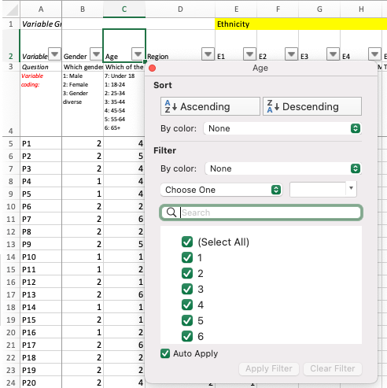
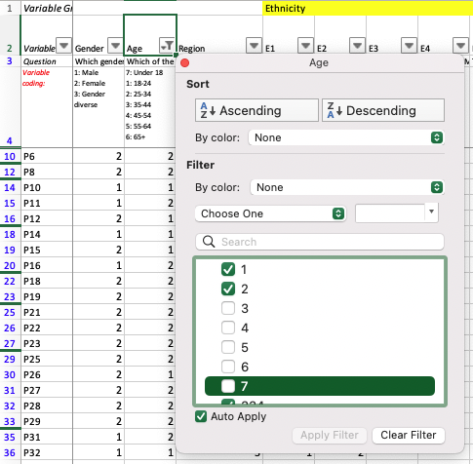
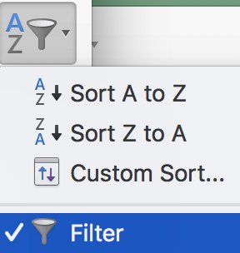
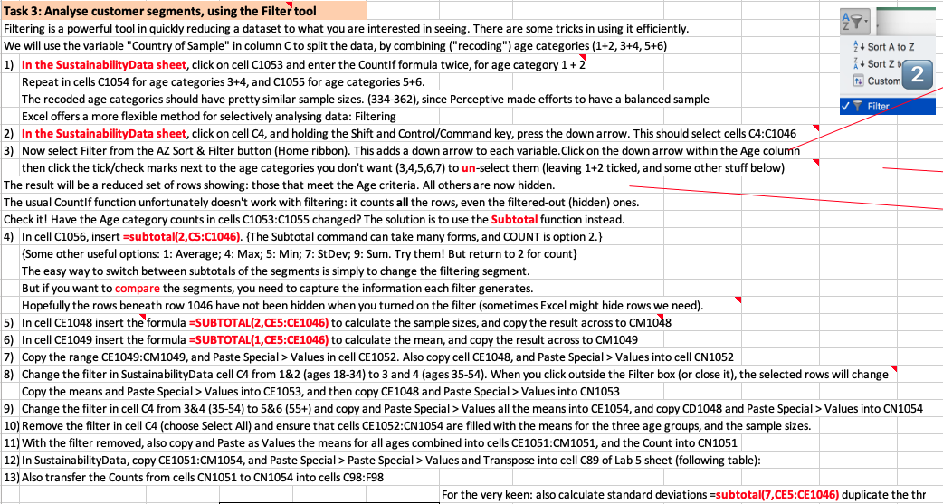
For the very keen: also calculate standard deviations =subtotal(7,CE5:CE1046) duplicate the three ages and place beside the means results
 |  |  |  |  |  |  |  |  |  |  |  |  | Picture capture of instructions (in case all the graphics messes things up)
Task 3: Analyse customer segments, using the Filter tool
Filtering is a powerful tool in quickly reducing a dataset to what you are interested in seeing. There are some tricks in using it efficiently.
We will use the Age variable in column C to split the data, by combining ("recoding") age categories (1+2, 3+4, 5+6)
1) | In the SustainabilityData sheet, click on cell C1053 and enter the CountIf formula twice, for age category 1 + 2
 | Repeat in cells C1054 for age categories 3+4, and C1055 for age categories 5+6.
 | The recoded age categories should have pretty similar sample sizes. (334-362), since Perceptive made efforts to have a balanced sample
 | Excel offers a more flexible method for selectively analysing data: Filtering
2) | In the SustainabilityData sheet, click on cell C4, and holding the Shift and Control/Command key, press the down arrow. This should select cells C4:C1046
3) | Now select Filter from the AZ Sort & Filter button (Home ribbon). This adds a down arrow to each variable.Click on the down arrow within the Age column
 | then click the tick/check marks next to the age categories you don't want (3,4,5,6,7) to un-select them (leaving 1+2 ticked, and some other stuff below)
The result will be a reduced set of rows showing: those that meet the Age criteria. All others are now hidden.
The usual CountIf function unfortunately doesn't work with filtering: it counts all the rows, even the filtered-out (hidden) ones.
Check it! Have the Age category counts in cells C1053:C1055 changed? The solution is to use the Subtotal function instead.
4) | In cell C1056, insert =subtotal(2,C5:C1046). {The Subtotal command can take many forms, and COUNT is option 2.}
 | {Some other useful options: 1: Average; 4: Max; 5: Min; 7: StDev; 9: Sum. Try them! But return to 2 for count}
 | The easy way to switch between subtotals of the segments is simply to change the filtering segment.
 | But if you want to compare the segments, you need to capture the information each filter generates.
 | Hopefully the rows beneath row 1046 have not been hidden when you turned on the filter (sometimes Excel might hide rows we need).
5) | In cell CE1048 insert the formula =SUBTOTAL(2,CE5:CE1046) to calculate the sample sizes, and copy the result across to CM1048
6) | In cell CE1049 insert the formula =SUBTOTAL(1,CE5:CE1046) to calculate the mean, and copy the result across to CM1049
7) | Copy the range CE1049:CM1049, and Paste Special > Values in cell CE1052. Also copy cell CE1048, and Paste Special > Values into cell CN1052
8) | Change the filter in SustainabilityData cell C4 from 1&2 (ages 18-34) to 3 and 4 (ages 35-54). When you click outside the Filter box (or close it), the selected rows will change
 | Copy the means and Paste Special > Values into CE1053, and then copy CE1048 and Paste Special > Values into CN1053
9) | Change the filter in cell C4 from 3&4 (35-54) to 5&6 (55+) and copy and Paste Special > Values all the means into CE1054, and copy CD1048 and Paste Special > Values into CN1054
10) | Remove the filter in cell C4 (choose Select All) and ensure that cells CE1052:CN1054 are filled with the means for the three age groups, and the sample sizes.
11) | With the filter removed, also copy and Paste as Values the means for all ages combined into cells CE1051:CM1051, and the Count into CN1051
12) | In SustainabilityData, copy CE1051:CM1054, and Paste Special > Paste Special > Values and Transpose into cell C89 of Lab 5 sheet (following table):
For the very keen: also calculate standard deviations =subtotal(7,CE5:CE1046) duplicate the three ages and place beside the means results
13) | Also transfer the Counts from cells CN1051 to CN1054 into cells C98:F98
 |  |  |  |  |  | Bonus Task: also calculate standard deviations =subtotal(7,CE5:CE1046) duplicate the three age subcategories and all ages and place beside the means
 |  |  | Recoded Age Category: Means
Column | Product | All Ages | 18-34 | 35-54 | 55+ | (SD)All Ages | (SD)18-34 | (SD)35-54 | (SD) 55+
CE | Capable to solve | 3.37 | 3.51 | 3.35 | 3.24 | 0.983871 | 1.024436 | 0.988494 | 0.92295
CF | Contribute | 3.86 | 3.90 | 3.87 | 3.80 | 0.871285 | 0.853431 | 0.852168 | 0.906368
CG | Can help | 3.60 | 3.65 | 3.57 | 3.59 | 0.967933 | 0.980309 | 0.959906 | 0.966275
CH | Purchase effect | 3.80 | 3.84 | 3.78 | 3.77 | 0.93068 | 0.888008 | 0.92247 | 0.978622
CI | Positive effect | 3.91 | 3.98 | 3.89 | 3.87 | 0.881771 | 0.893574 | 0.866103 | 0.884509
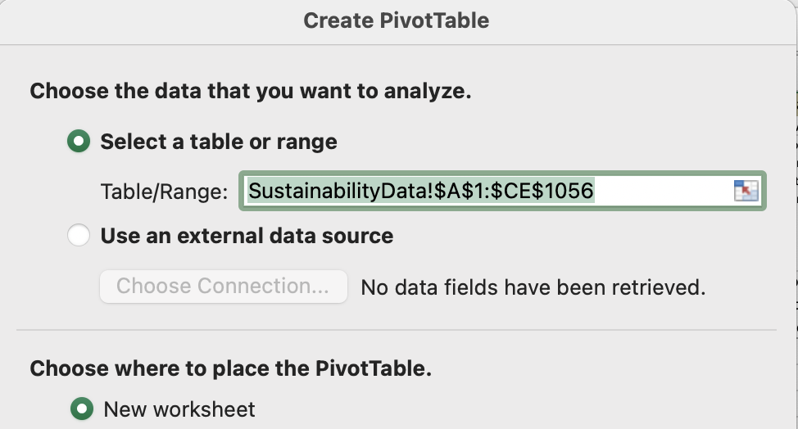
CJ | Individual difference | 3.87 | 3.96 | 3.82 | 3.83 | 0.974698 | 0.922799 | 1.006856 | 0.9867
CK | Good knowledge | 3.07 | 3.27 | 3.02 | 2.93 | 1.018372 | 1.021905 | 1.035204 | 0.964983
CL | Know sustainability | 2.95 | 3.18 | 2.90 | 2.77 | 1.003831 | 1.044392 | 0.999196 | 0.924446
CM | Know sustainable brands | 2.76 | 3.01 | 2.76 | 2.53 | 1.036288 | 1.098713 | 1.042173 | 0.908504
 | # Respondents | 1042 | 334 | 362 | 345

5) Comment on the pattern(s) you see
The means drop steadily as age increases — 18–34 scores highest on nearly everything and 55+ lowest. The gap is biggest on the knowledge questions (Good knowledge: 3.27 down to 2.93). Positive effect and Individual difference score highest overall, while the three knowledge items sit lowest. Since the three age groups are similar sizes (334/362/345), this looks like a genuine age pattern.

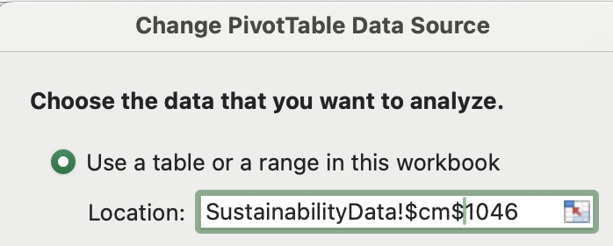
Task 4: Analyse customer segments using the PivotTable tool
A quicker (but not necessarily easier) way to complete Task 3 is to use PivotTables
1) | In cell B4 of the SustainabilityData sheet, click Insert > Create PivotTable in a new worksheet, changing the default data range to $B$4:$CM$1046
2) | A new sheet is created with a PivotTable template with many selectable fields (to the right-hand side of the screen)
 | If you click off the white dialog box (or a table it creates), the PivotTable Fields dialog box will disappear. Just click on this box/table to make it reappear.
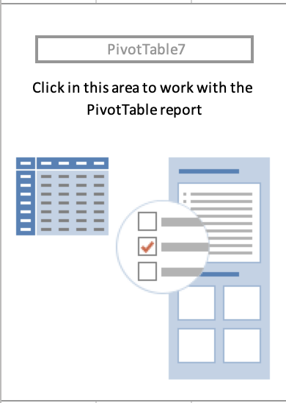

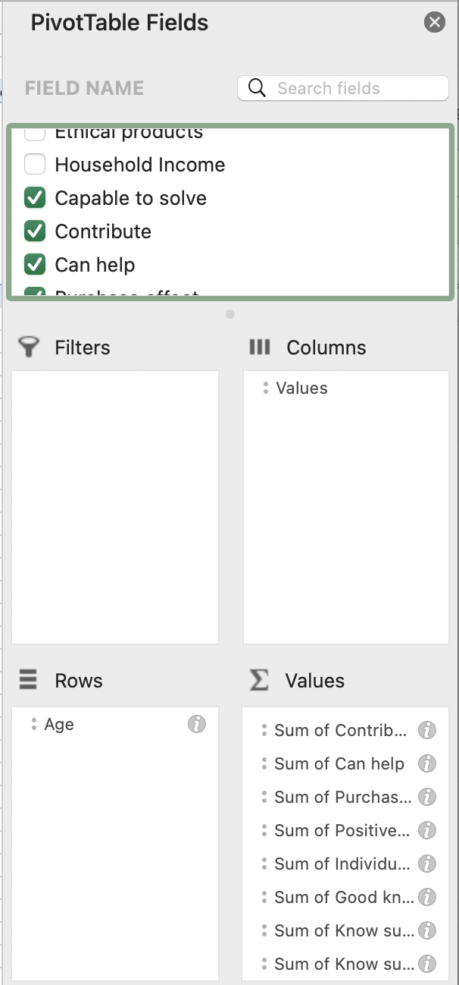
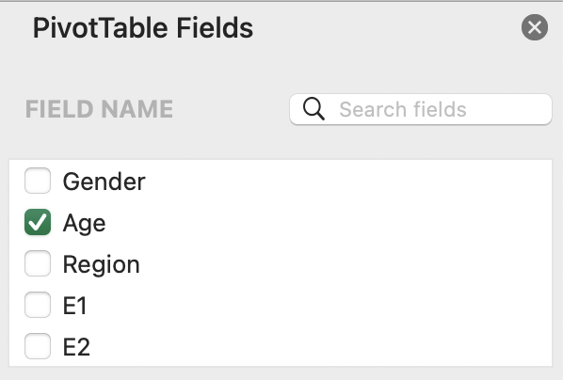

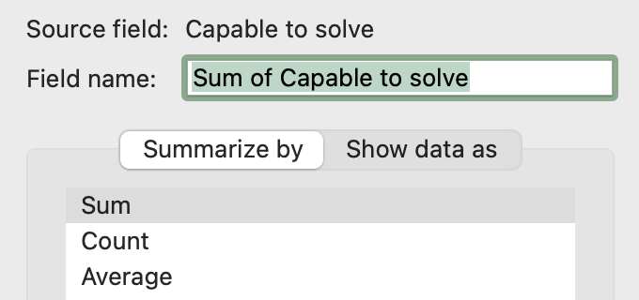

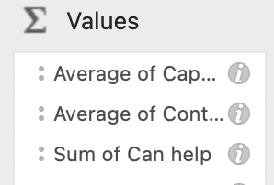
3) | Drag Age into the Rows section, and scroll down the Fields box to find beneath Household Income, the last 9:
 | 'Capable to solve' to 'Know sustainable brands'. Drag 'Capable to solve' into the Values box.
4) | When you drag the second field ('Contribute') into Values box, the 'Values' entry should appear in Columns.
 | If it goes into Rows instead, drag it to Columns
5) | You can then keep dragging additional fields (variables) into the Values box (or simply tick the box in 'Field Name')
 | Unfortunately Excel defaults to Sum, when we want Average.
 | You need to change each variable separately - there is no 'Change All' or template you can use.
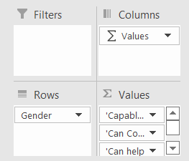
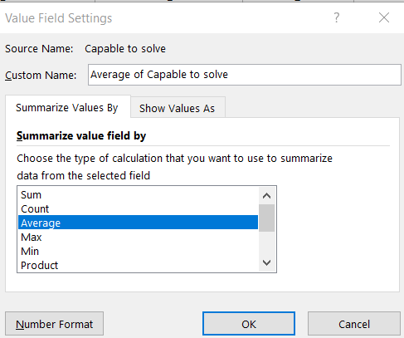
 | When complete, you should have a nice summary table that looks a bit like the table in Task 3 above.
 | To include Count, drag any one of the Variables (eg 'Can help') again to the bottom of the Values box, and change to Count.
 | Copy and Paste the resulting PivotTable below.
6) | Since you created your PivotTable from all your data, you could easily analyse your data by Gender, Income category etc.
7) | Just like the Subtotal function, you can get PivotTables to calculate Counts, Std Deviations etc.
8) | You can also edit how the Field Names appear in the table, change the column headings, and format the data (eg to 1 decimal place)
 | Example: means by Gender (filtering out Blanks), renaming the Columns and Row Labels
 | Endless analysis fun!

Task 5
1) : Enter "Done" in cell D156

 | Insert PivotTable by Age classes here:

 |  | Row Labels | Average of Capable to solve | Average of Contribute | Average of Can help | Average of Purchase effect | Average of Positive effect | Average of Individual difference | Average of Good knowledge | Average of Know sustainability | Average of Know sustainable brands | Count of Can help
 |  | 1 | 3.38 | 3.88 | 3.62 | 3.85 | 3.99 | 3.93 | 3.43 | 3.26 | 3.01 | 68.00
 |  | 2 | 3.54 | 3.90 | 3.66 | 3.84 | 3.98 | 3.97 | 3.23 | 3.16 | 3.00 | 266.00
 |  | 3 | 3.45 | 3.88 | 3.60 | 3.79 | 3.89 | 3.84 | 3.16 | 3.03 | 2.94 | 220.00
 |  | 4 | 3.20 | 3.86 | 3.54 | 3.77 | 3.89 | 3.79 | 2.80 | 2.70 | 2.49 | 142.00
 |  | 5 | 3.15 | 3.77 | 3.51 | 3.73 | 3.78 | 3.80 | 2.98 | 2.81 | 2.56 | 136.00
 |  | 6 | 3.30 | 3.82 | 3.65 | 3.79 | 3.93 | 3.85 | 2.90 | 2.74 | 2.51 | 209.00
 |  | 7 | 3.00 | 5.00 | 3.00 | 5.00 | 5.00 | 4.00 | 5.00 | 4.00 | 4.00 | 1.00
 |  | Grand Total | 3.37 | 3.86 | 3.60 | 3.80 | 3.91 | 3.87 | 3.07 | 2.95 | 2.76 | 1042

 | <<End of Lab 5>>

AI Declaration for Lab 5: complete the declaration when submitting the file

 | TRUE | I have not used any AI tools or technologies to prepare this assessment
 |  | OR
 | FALSE | I acknowledge the use of [AI tool or technology name and link] to generate [summary of what was generated]:

Lab 6
Rationale:
This lab again uses the SustainabilityData dataset from Perceptive provided for the Report.
The first task is to explore what our sample looks like. We explored the Gender, Age and Income breakdown in Lab 5, but this time we will look for any relationships between these variables, and to see if there is any bias in sample selection.
We contrast percentage of row and percentage of column, calculated manually, as different views of the same data.
In Task 1b we look at a crosstab of Age and Income, and then in 1c reformat the PivotTable as % within column. In Task 1d we use the Group function to reduce down the Age and Income categories (also known as "on-the-fly" recoding, since these groupings are not permanently stored in the dataset.)
In Tasks 2 and 3 we calculate the Chi-Square statistic for some of the tables in Task 1, to determine if there is any sample bias.
Finally in Task 4 we investigate the data further, by compiling descriptive statistics (means) for some of our independent variables (IVs): "HowOftenBuy"; "PayMore". "ReturnPackaging" and "BottleDepositScheme". We then contrast subsamples, by looking at whether the means differ for respondents by gender and then income. (You can optionally also explore age, and you can also combine Income & Gender or Income & Age into a single multiway table if you like: means by Income AND Gender.
115.109: Topic 6 Lab Worksheet: Sustainability data PivotTables
Due date: 31 August 2026 |  |  |  |  | Version: 1 (6 August 2026)

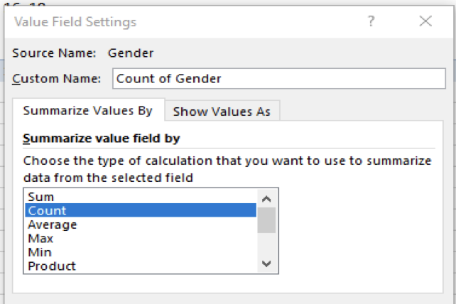
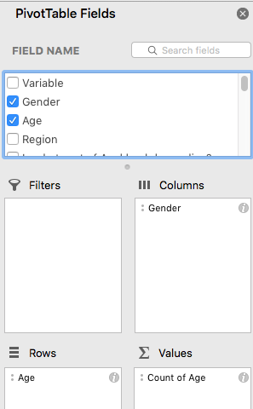
Task 1: Create a cross-tabulation via PivotTable of Gender by Age, as follows:
 | In the SustainabilityData sheet, select Insert menu > click on PivotTable button, for the range $B$4:$CM$1046
 | Drag the Age variable into the Rows box, and Gender into the Columns, and either of them into the Values box.
 | The resulting table will look ugly. Click on the Column filter button |  |  |  |  | to remove the last three selections
 | Paste special > values your result here:
1a: Cross-tab of Gender and Age |  |  |  |  | % within row |  |  | % within column
 |  | 1 (Male) | 2 (Female) | Total Male + Female | Age % Male | Age % Female | Age % Total | Male % Age | Female % Age
 | 1 (18-24) | 13 | 54 | 67 | 19.4 | 80.6 | 6.4 | 2.9 | 9.1
 | 2 (25-34) | 94 | 172 | 266 | 35.3 | 64.7 | 25.6 | 21.0 | 29.1
 | 3 (35-44) | 91 | 129 | 220 | 41.4 | 58.6 | 21.2 | 20.3 | 21.8
 | 4 (45-54) | 58 | 84 | 142 | 40.8 | 59.2 | 13.7 | 12.9 | 14.2
 | 5 (55-64) | 64 | 71 | 135 | 47.4 | 52.6 | 13.0 | 14.3 | 12.0
 | 6 (65+) | 128 | 81 | 209 | 61.2 | 38.8 | 20.1 | 28.6 | 13.7
 | Total | 448 | 591 | 1039 | 43.1 | 56.9 |  | 100.0 | 100.0

Hint: it doesn’t matter if the Values box is 'Count of Gender' or 'Count of Age' - it shows the same result whichever variable you drag to the Values box.
But if the 'Values' says anything other than 'Count of', you need to change what is being calculated. Right-click in the Values box, choose Field Settings > Summarize by ... Count
1b: Cross-tab of Age and Income
 | Now repeat the process using a cross-tab of Age & Income.
 | Copy the PivotTable in the new sheet, paste anywhere beside or beneath, and modify. Paste Special your result here:
 |  | 1: Up to $30,000 | 2: $30,001 - $50,000 | 3: $50,001 - $70,000 | 4: $70,001 - $100,000 | 5: $100,001-$130,000 | 6: Over $130,000 | 7: Rather not say | Grand Total (All Income) | Age % All Income
 | 1 (18-24) | 10 | 9 | 15 | 10 | 7 | 2 | 15 | 68 | 6.5
 | 2 (25-34) | 12 | 30 | 52 | 66 | 42 | 27 | 37 | 266 | 25.6
 | 3 (35-44) | 14 | 26 | 37 | 45 | 36 | 26 | 36 | 220 | 21.1
 | 4 (45-54) | 18 | 22 | 22 | 23 | 15 | 21 | 21 | 142 | 13.6
 | 5 (55-64) | 30 | 18 | 15 | 17 | 16 | 15 | 25 | 136 | 13.1
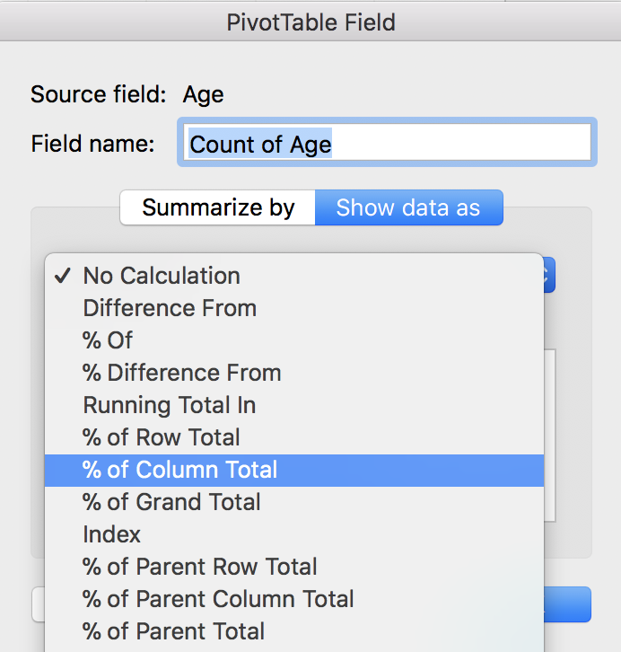
 | 6 (65+) | 31 | 62 | 29 | 20 | 16 | 8 | 43 | 209 | 20.1
 | Total | 115 | 167 | 170 | 181 | 132 | 99 | 177 | 1041

Hint: Select Field Settings > Show data as ... % Column.
Check for yourself what the difference is if you choose % Row Total instead.
If the rows add up to 100%, then you can compare within the column.
If the columns add up to 100%, then you can compare within the row.
1c: Repeat cross-tab of Age and Income, but this time use '% of Column Total' as the Value Field > Show data as… option
 | Copy the table from 1b (beside or beneath in your new sheet), and modify. Paste special > Values the result here:
 |  | 1: Up to $30,000 | 2: $30,001 - $50,000 | 3: $50,001 - $70,000 | 4: $70,001 - $100,000 | 5: $100,001-$130,000 | 6: Over $130,000 | 7: Rather not say | Grand Total (All Income)
 | 1 (18-24) | 8.7% | 5.4% | 8.8% | 5.5% | 5.3% | 2.0% | 8.5% | 6.5% |  |  |  |  |  |  |  |  |  |  |  |  |  |  |  |  |  |  |  | If you have problems grouping this way, you can use an alternative method: clicking on just the first row or column header (category 1) and right-click > Group…
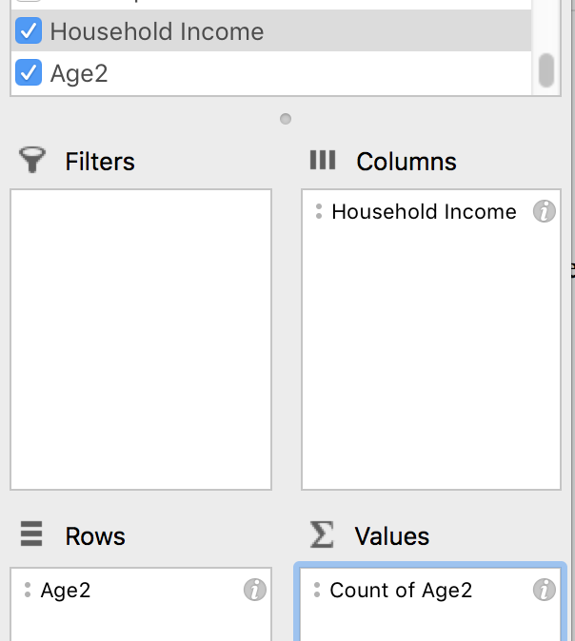
 | 2 (25-34) | 10.4% | 18.0% | 30.6% | 36.5% | 31.8% | 27.3% | 20.9% | 25.5% |  |  |  |  |  |  |  |  |  |  |  |  |  |  |  |  |  |  |  | This allows you to select how the grouping works automatically: group by 2 (eg 1&2, 3&4), leaving the last group being just 7 (Excel incorrectly calls this >7 but it should be ≥7)
 | 3 (35-44) | 12.2% | 15.6% | 21.8% | 24.9% | 27.3% | 26.3% | 20.3% | 21.1% |  |  |  |  |  |  |  |  |  |  |  |  |  |  |  |  |  |  |  | Repeat for the columns, and then filter out the age category 7. Please note: using this method, you do NOT get new variables Age2 and HouseholdIncome2. No idea why the difference!
 | 4 (45-54) | 15.7% | 13.2% | 12.9% | 12.7% | 11.4% | 21.2% | 11.9% | 13.6%
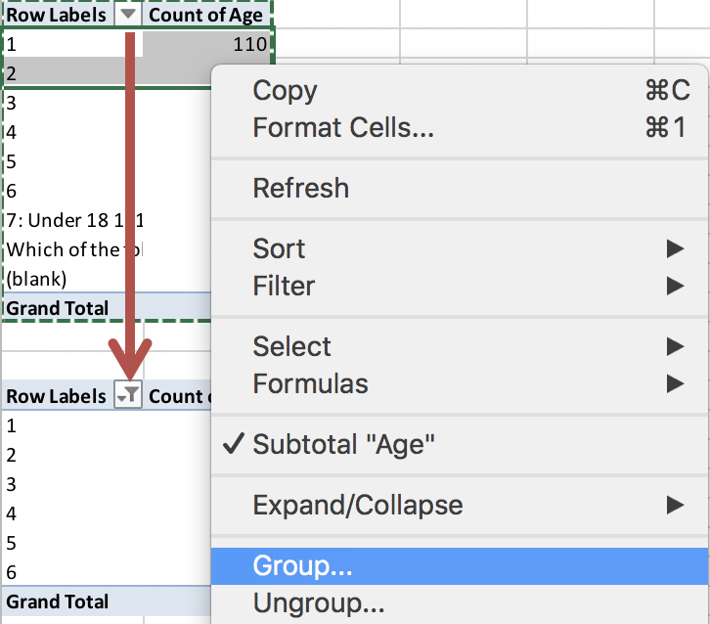
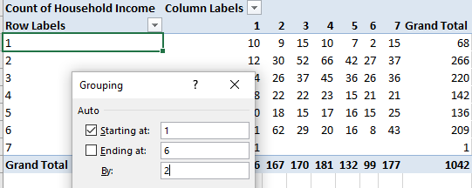
 | 5 (55-64) | 26.1% | 10.8% | 8.8% | 9.4% | 12.1% | 15.2% | 14.1% | 13.1%
 | 6 (65+) | 27.0% | 37.1% | 17.1% | 11.0% | 12.1% | 8.1% | 24.3% | 20.1%
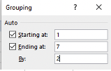
 | Total | 100% | 100% | 100% | 100% | 100% | 100% | 100% | 100%

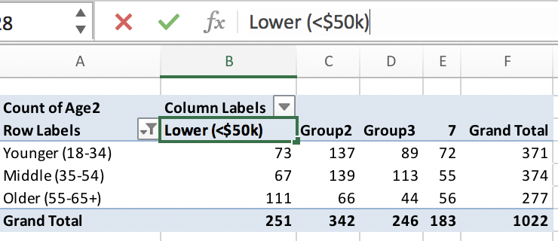
Hint: Remove the Age/Gender table, and modify the Age/Income PivotTable (while you can group Income, Excel will complain when you try to group by Age if you have two tables with Age in it). Select the rows you wish to group, then right-click any selected row and choose Group.... (or use the Group Selection button in the ribbon)
1) Since there are six Age categories, let us group them into three age categories: 18-24 + 25-34 into "Younger"; 35-44 + 45-54 into "Middle"; and 55-64 and 65+ into "Older". This will create a new variable called Age2, located at the bottom of the variable list of the cached dataset for the PivotTable (not in the actual source table). Repeat for the other ages into Group 2 (Ages 3 & 4) and Group 3 (Ages 5 & 6), and rename the resulting Groups into Younger, Middle and Older as above. Once you have Age2, you can remove Age from the PivotTable.
2) To group (Household)Income, in the most recent version of Excel you can similarly group within columns (in older versions you can only group in rows, and so would need to swap rows and columns around: drag Age2 to the Columns box, and Income to the Rows). Repeat as above, but for:
"Lower" (income groups 1 & 2, <$50k); "Middle" (3&4, $50-100k) and "Higher" (5&6, >$100k) in new variable Income2. Remove Income. Make sure Age2 is in rows, and Income2 is in columns (to look like the table to the left). Copy and Paste Special > Values the results to this table, rather than pasting the PivotTable.
1d: Repeat cross-tab of Age and Income, but this time combine both Age and Income categories into fewer classes (use Counts, not % of columns) |  |  |  |  |  |  |  |  |  |  |  | Scroll right for hints! ==>
 | Copy the table from 1c (beneath in your new sheet), and modify. Paste special the result here:
 |  | Lower (<$50,000) | Middle ($50-100k) | Upper (>$100k) - $70,000 | Not said | Subsample Size by Age (All Income) |  |  |  | `
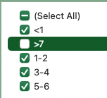
 | Younger (18-34) | 61 | 143 | 78 | 52 | 334
 | Middle (35-54) | 80 | 127 | 98 | 57 | 362
 | Older (55+) | 141 | 81 | 55 | 68 | 345
 | Subsample size by Income | 282 | 351 | 231 | 177 | 1041

Task 2: Calculate expected values for the table in Task 1 (reproduced below); then the residuals; then the squared residuals; and finally Chi-Square

 | 2a: Observed Counts (O) |  |  |  |  | 2b: Expected Counts (E) |  |  |  |  | 2c: Residuals (O-E) |  |  |  |  | 2d: Squared Residuals (O-E)*(O-E) |  |  |  | 2e: Squared Residuals over Expected (O-E)*(O-E) / E
 |  | 1 (Male) | 2 (Female) | Total All Gender |  |  | 1 (Male) | 2 (Female) | Total All Gender |  |  | 1 (Male) | 2 (Female) | Total All Gender |  |  | 1 (Male) | 2 (Female) |  |  | 1 (Male) | 2 (Female)
 | 1 (18-24) | 13 | 54 | 67 |  | 1 (18-24) | 28.9 | 38.1 | 67.0 |  | 1 (18-24) | -15.9 | 15.9 | 0.0 |  | 1 (18-24) | 252.47 | 252.47 |  | 1 (18-24) | 8.74 | 6.62
 | 2 (25-34) | 94 | 172 | 266 |  | 2 (25-34) | 114.7 | 151.3 | 266.0 |  | 2 (25-34) | -20.7 | 20.7 | 0.0 |  | 2 (25-34) | 428.28 | 428.28 |  | 2 (25-34) | 3.73 | 2.83
 | 3 (35-44) | 91 | 129 | 220 |  | 3 (35-44) | 94.9 | 125.1 | 220.0 |  | 3 (35-44) | -3.9 | 3.9 | 0.0 |  | 3 (35-44) | 14.90 | 14.90 |  | 3 (35-44) | 0.16 | 0.12
 | 4 (45-54) | 58 | 84 | 142 |  | 4 (45-54) | 61.2 | 80.8 | 142.0 |  | 4 (45-54) | -3.2 | 3.2 | 0.0 |  | 4 (45-54) | 10.42 | 10.42 |  | 4 (45-54) | 0.17 | 0.13
 | 5 (55-64) | 64 | 71 | 135 |  | 5 (55-64) | 58.2 | 76.8 | 135.0 |  | 5 (55-64) | 5.8 | -5.8 | 0.0 |  | 5 (55-64) | 33.53 | 33.53 |  | 5 (55-64) | 0.58 | 0.44
 | 6 (65+) | 128 | 81 | 209 |  | 6 (65+) | 90.1 | 118.9 | 209.0 |  | 6 (65+) | 37.9 | -37.9 | 0.0 |  | 6 (65+) | 1435.09 | 1435.09 |  | 6 (65+) | 15.92 | 12.07
 | Total | 448 | 591 | 1039 |  | Total | 448.0 | 591.0 | 1039.0 |  | Total | 0.0 | 0.0 | 0.0 |  |  |  |  |  |  |  | Chi-Square: | 51.51
<<Table Interpretation>>
The chi-square value is 51.51, which is much bigger than the critical value of 11.07. So we reject the idea that gender and age are independent. This means gender and age are related in this sample. For example, the older age groups have more males, and the younger age groups have more females.
 |  |  |  |  |  | (Assumes rows and columns are independent of each other)
 | Chi-Square: | 51.51 | Interpret the chi-square result:
 | Degrees of Freedom: | 5
 | Critical value of 𝜒2: | 11.07
Where are you in the chi-square curve: in the shaded Ho rejection region,
or in the unshaded non-rejection region?
 | Excel: Critical value of 𝜒2: | 11.07

Task 3: Repeat the Chi-Square test, this time using the "fewer classes" version of 1d (this time only using three income categories: a 3x3 crosstab)

 | 3a: Observed Counts (O) |  |  |  |  |  | 3b: Expected Counts (E) |  |  |  |  |  | 3c: Residuals (O-E) |  |  |  |  |  | 3d: Squared Residuals (O-E)*(O-E) |  |  |  |  | 3e: Squared Residuals over Expected (O-E)*(O-E) / E
 |  | Lower (<$50,000) | Middle ($50-100k) | Upper (>$100k) - $70,000 | Subsample Size by Age (All Income) |  |  | Lower (<$50,000) | Middle ($50-100k) | Upper (>$100k) - $70,000 | Subsample Size by Age (All Income) |  |  | Lower (<$50,000) | Middle ($50-100k) | Upper (>$100k) - $70,000 | Subsample Size by Age (All Income) |  |  | Lower (<$50,000) | Middle ($50-100k) | Upper (>$100k) - $70,000 |  |  | Lower (<$50,000) | Middle ($50-100k) | Upper (>$100k) - $70,000
 | Younger (18-34) | 61 | 143 | 78 | 282 |  | Younger (18-34) | 92.0 | 114.6 | 75.4 | 282.0 |  | Younger (18-34) | -31.0 | 28.4 | 2.6 | 0.0 |  | Younger (18-34) | 963.59 | 808.69 | 6.78 |  | Younger (18-34) | 10.47 | 7.06 | 0.09
 | Middle (35-54) | 80 | 127 | 98 | 305 |  | Middle (35-54) | 99.5 | 123.9 | 81.5 | 305.0 |  | Middle (35-54) | -19.5 | 3.1 | 16.5 | 0.0 |  | Middle (35-54) | 382.15 | 9.57 | 270.76 |  | Middle (35-54) | 3.84 | 0.08 | 3.32
 | Older (55+) | 141 | 81 | 55 | 277 |  | Older (55+) | 90.4 | 112.5 | 74.1 | 277.0 |  | Older (55+) | 50.6 | -31.5 | -19.1 | 0.0 |  | Older (55+) | 2559.38 | 994.22 | 363.25 |  | Older (55+) | 28.31 | 8.84 | 4.90
 | Subsample size by Income | 282 | 351 | 231 | 864 |  | Subsample size by Income | 282.0 | 351.0 | 231.0 | 864.0 |  | Subsample size by Income | 0.0 | 0.0 | 0.0 | 0.0 |  |  |  |  |  |  |  |  |  | Chi-Square | 66.90
 |  |  |  |  |  |  | (Assumes rows and columns are independent of each other)
The chi-square value is 66.90, which is much bigger than the critical value of 9.488. So we reject the idea that age and income are independent. This means age and income are related. Younger people are more often in the middle and higher income groups, while older people are more often in the lower income group or chose "rather not say".
 | Chi-Square: | 66.90 | Interpret the chi-square result:
 | Degrees of Freedom: | 4
 | Critical value of 𝜒2: | 9.49
 | Excel: Critical value of 𝜒2: | 9.49
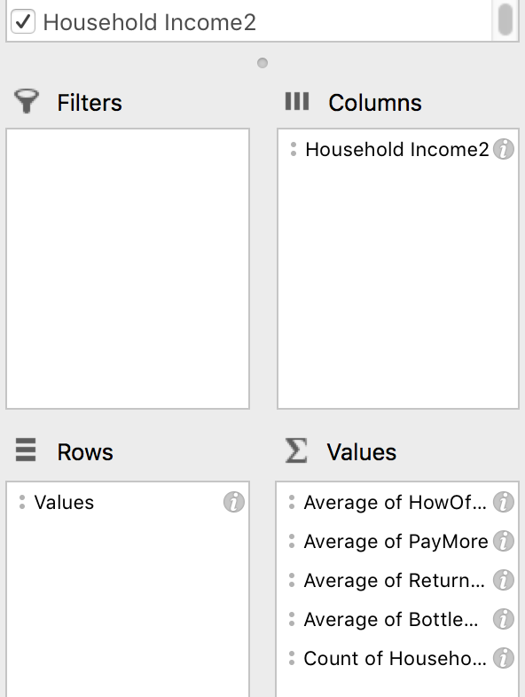
Task 4: Calculate the mean rating for columns AY, AZ, BA, BB, BC and BD in the datasheet:
 | First for all respondents, and then for Male vs Female, then Lower vs Middle vs Higher income groups:
How: Create a new PivotTable (or heavily modify another copy)
1) Select the six variables (HowOftenBuy to BottleDeposit), putting each in the Σ Values box. Change the Σ Values from Count to Average by clicking on the i (Mac) or arrow (PC).
Format so that the means only have one decimal place, and copy into C91:C94.
Copy and Paste Special > Values the result into C49:C53.
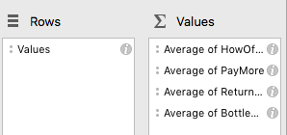
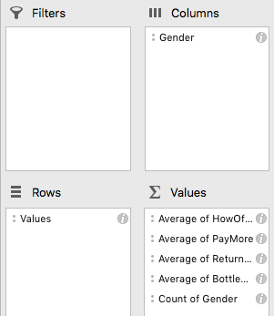
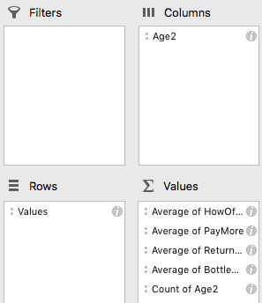
 |  | All respondents | Male | Female | Lower (<$50k) | Middle ($50-100k) | Higher (>$100k)
 | Variable | Mean | Mean | Mean | Mean | Mean | Mean
AY | HowOftenBuy | 4.3 | 4.3 | 4.3 | 4.4 | 4.2 | 4.1
2) Copy your whole PivotTable and paste beneath. Add Gender to the Columns box, and filter out everything except 1 (Male) and 2 (Female). To get the subsample size, add Gender to the Σ Values box, leaving as Count of Gender.
Tidy up and copy the result here.
AZ | PayMore | 3.3 | 3.2 | 3.4 | 3.2 | 3.4 | 3.4
BA | WillingPayMore | 3.3 | 3.1 | 3.4 | 3.2 | 3.4 | 3.3
BB | AcceptablePayMore | 3.4 | 3.3 | 3.5 | 3.3 | 3.5 | 3.5
3) Copy the second PivotTable and paste beneath (or recreate a new one). This time add Income2 to the Columns box, and remove Gender from both boxes (if modifying).
Also add the variable Income2 into the Σ Values box to get the subsample count.
BC | ReturnPackaging | 3.8 | 3.7 | 3.9 | 3.8 | 3.8 | 3.9
BD | BottleDeposit | 4.2 | 4.1 | 4.3 | 4.2 | 4.3 | 4.2
 | (Sub)Sample size | 1042 | 449 | 591 | 283 | 351 | 231
 |  |  |  |  |  |  |  |  |  |  |  |  |  |  |  |  |  |  |  |  |  |  |  |  |  |  |  | NB: this is data from a 2019 survey. The 2020 data will be different!
 | Interpret the table:
<<Table Interpretation>>
Females give slightly higher scores than males on almost every question, especially the questions about paying more for sustainable products. The differences between income groups are small. People in the lower income group say they buy sustainable products most often (4.38), and this goes down as income goes up.
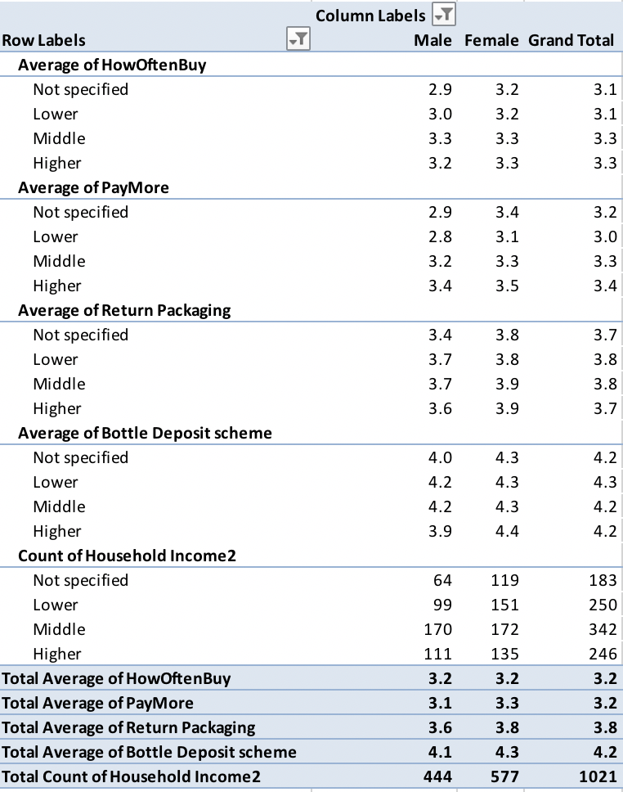

Hint: Put Gender in the Σ Values box, and leave as Count of Gender.
That way you know how many (sub)samples you have in each column.
Hint: Put Income2 in the Σ Values box, and leave as Count of Income2.
That way you know how many (sub)samples you have in each column.
BONUS TASK 5
For the Income2 PivotTable: add Gender back into Columns, this time moving Income2 back into Rows. This creates a combination table, where you can contrast the means for the six variables by Income AND Gender.
Paste your combination table below.

 |  |  |  | Column Labels
 |  |  |  | 1 |  |  |  |  |  |  | 2 |  |  |  |  |  |  | Total Average of HowOftenBuy | Total Average of LikelyPayMore | Total Average of WillingPayMore | Total Average of AcceptablePayMore | Total Average of Return Packaging | Total Average of Bottle Deposit scheme | Total Count of Gender
 |  |  | Row Labels | Average of HowOftenBuy | Average of LikelyPayMore | Average of WillingPayMore | Average of AcceptablePayMore | Average of Return Packaging | Average of Bottle Deposit scheme | Count of Gender | Average of HowOftenBuy | Average of LikelyPayMore | Average of WillingPayMore | Average of AcceptablePayMore | Average of Return Packaging | Average of Bottle Deposit scheme | Count of Gender
Task 6 |  |  | Lower | 4.43 | 3.07 | 3.02 | 3.18 | 3.51 | 4.01 | 117.00 | 4.35 | 3.30 | 3.27 | 3.32 | 3.93 | 4.28 | 166.00 | 4.38 | 3.20 | 3.17 | 3.26 | 3.76 | 4.17 | 283.00
1) : Enter "Done" in cell D115 |  |  | Middle | 4.12 | 3.33 | 3.29 | 3.45 | 3.75 | 4.23 | 166.00 | 4.31 | 3.45 | 3.44 | 3.55 | 3.88 | 4.29 | 185.00 | 4.22 | 3.39 | 3.37 | 3.50 | 3.82 | 4.26 | 351.00
 |  |  | Upper | 4.16 | 3.17 | 3.15 | 3.31 | 3.80 | 4.11 | 109.00 | 4.07 | 3.56 | 3.52 | 3.68 | 3.94 | 4.36 | 121.00 | 4.11 | 3.37 | 3.34 | 3.50 | 3.87 | 4.24 | 230.00
 |  |  | Grand Total | 4.22 | 3.20 | 3.17 | 3.33 | 3.69 | 4.13 | 392.00 | 4.26 | 3.42 | 3.40 | 3.50 | 3.92 | 4.31 | 472.00 | 4.24 | 3.32 | 3.30 | 3.42 | 3.81 | 4.23 | 864.00
AI Declaration for Lab 6: complete the declaration when submitting the file

 | TRUE | I have not used any AI tools or technologies to prepare this assessment
 |  | OR
 | FALSE | I acknowledge the use of [AI tool or technology name and link] to generate [summary of what was generated]:

